Layout
 | 6.2.1 UC01-01-09 Màn hình xem nội dung của tin rao vặt

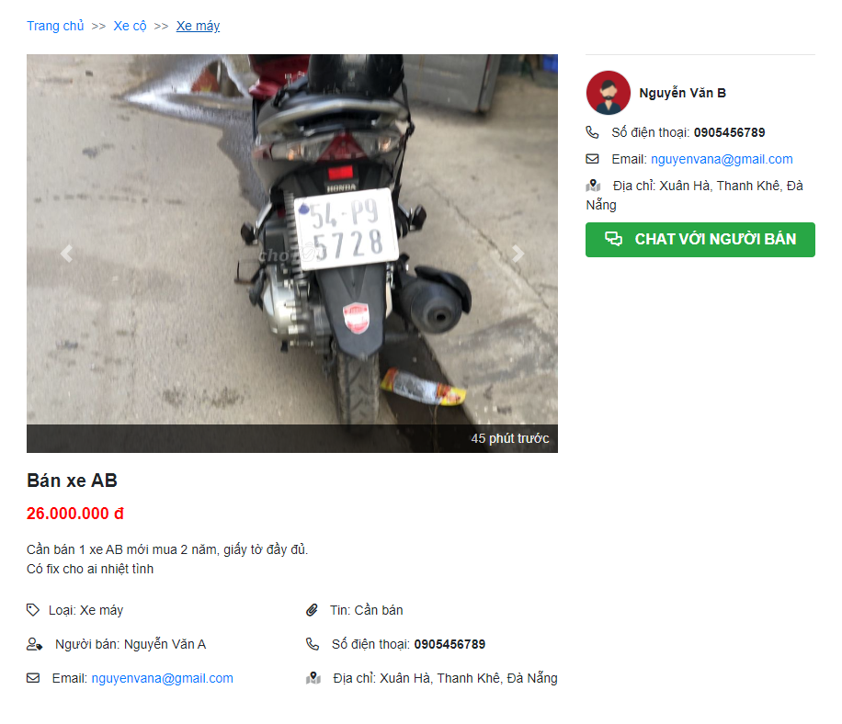

 | 6.2.2 UC01-03-02 Màn hình xem thông tin người dùng khác
 | 6.2.3 UC02-02-02 Màn hình nhắn tin cho người khác
 | ***Note: Phần thông tin người đăng tin được đặt ở 2 vị trí nên sẽ thực hiện blackbox test case cho cả 2 vùng layout này

Contact-panel-1

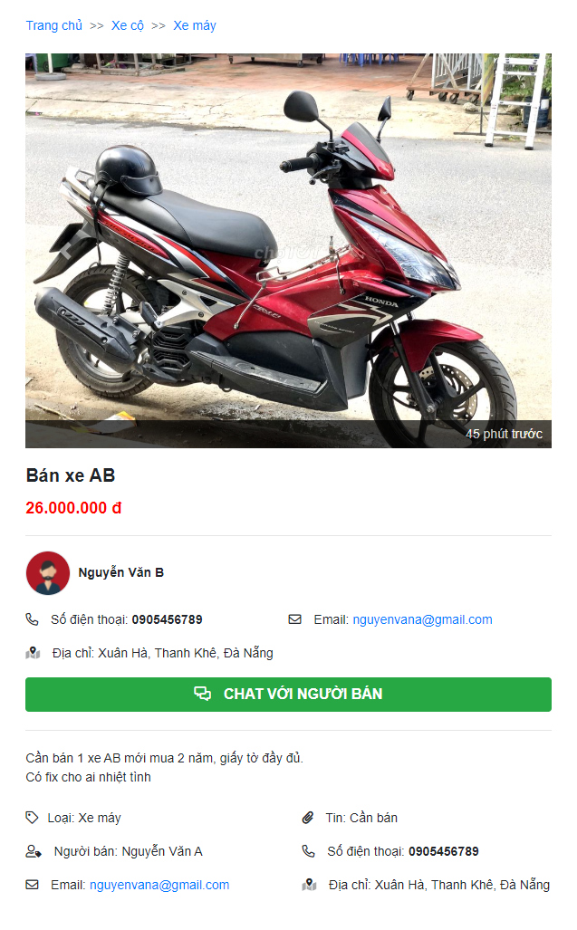
Contact-panel-2

